Instructions
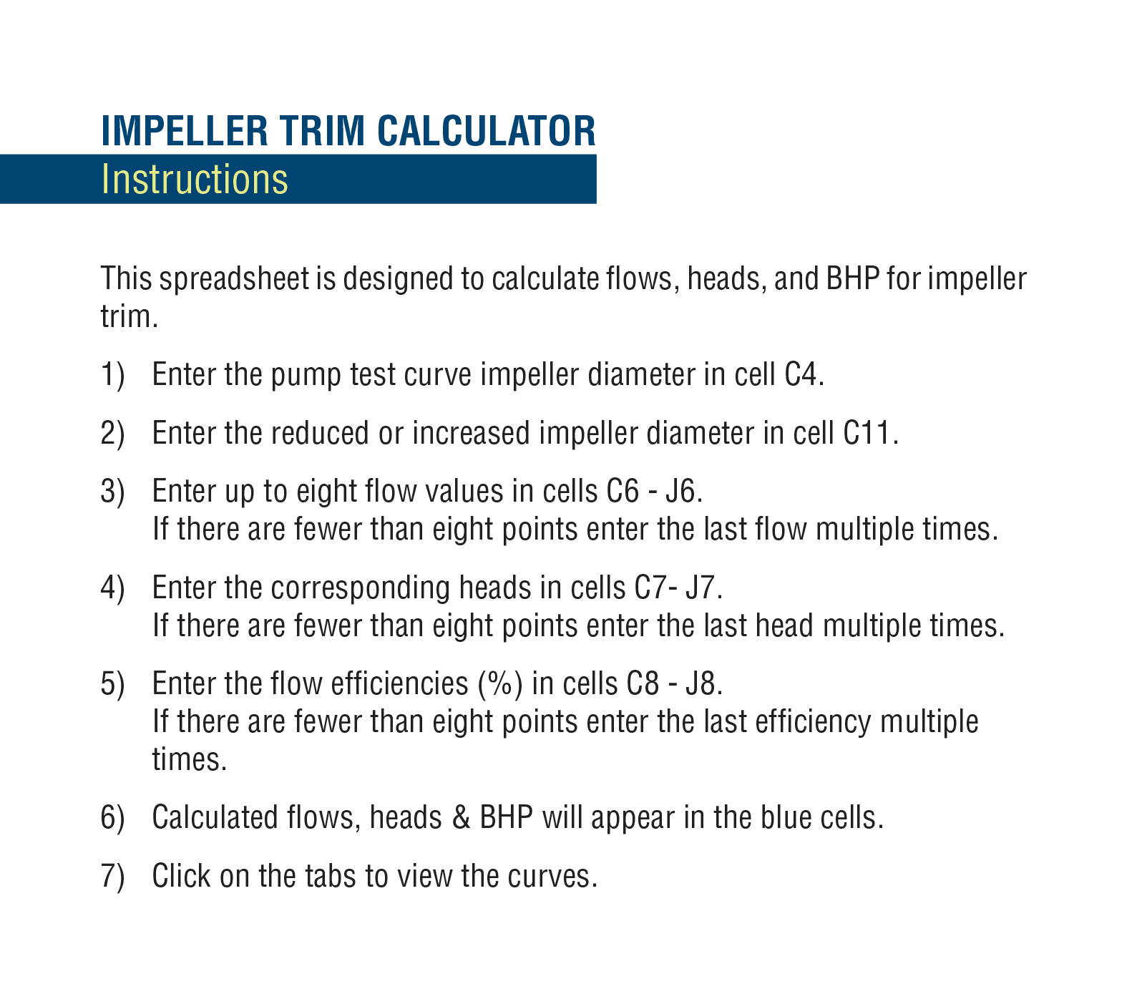

Existing Curve Trim
Existing Curve Trim

 | 9.3750 | BHP
250 | 205 | 25.9
500 | 201 | 42.3
750 | 195 | 50.6
1000 | 188 | 59.3
1250 | 178 | 66.9
1500 | 165 | 72.7
1750 | 147 | 75.5
2000 | 125 | 76.1

Larger or Smaller Trim
Larger or Smaller Trim

 | 9.6250 | NEW BHP
257 | 216 | 28.0
513 | 212 | 45.8
770 | 206 | 54.7
1027 | 198 | 64.2
1283 | 188 | 72.4
1540 | 174 | 78.6
1797 | 155 | 81.7
2053 | 132 | 82.3

Both
Both Trims

 | 9.3750 |  | 9.6250 |  | BHP |  | NEW BHP
250 | 205 | 257 | 216 | 250 | 25.9 | 257 | 28.0
500 | 201 | 513 | 212 | 500 | 42.3 | 513 | 45.8
750 | 195 | 770 | 206 | 750 | 50.6 | 770 | 54.7
1000 | 188 | 1027 | 198 | 1000 | 59.3 | 1027 | 64.2
1250 | 178 | 1283 | 188 | 1250 | 66.9 | 1283 | 72.4
1500 | 165 | 1540 | 174 | 1500 | 72.7 | 1540 | 78.6
1750 | 147 | 1797 | 155 | 1750 | 75.5 | 1797 | 81.7
2000 | 125 | 2053 | 132 | 2000 | 76.1 | 2053 | 82.3

